Gemba round
S.NO | Observation | Picture
1 | Panel door open in GUG area | 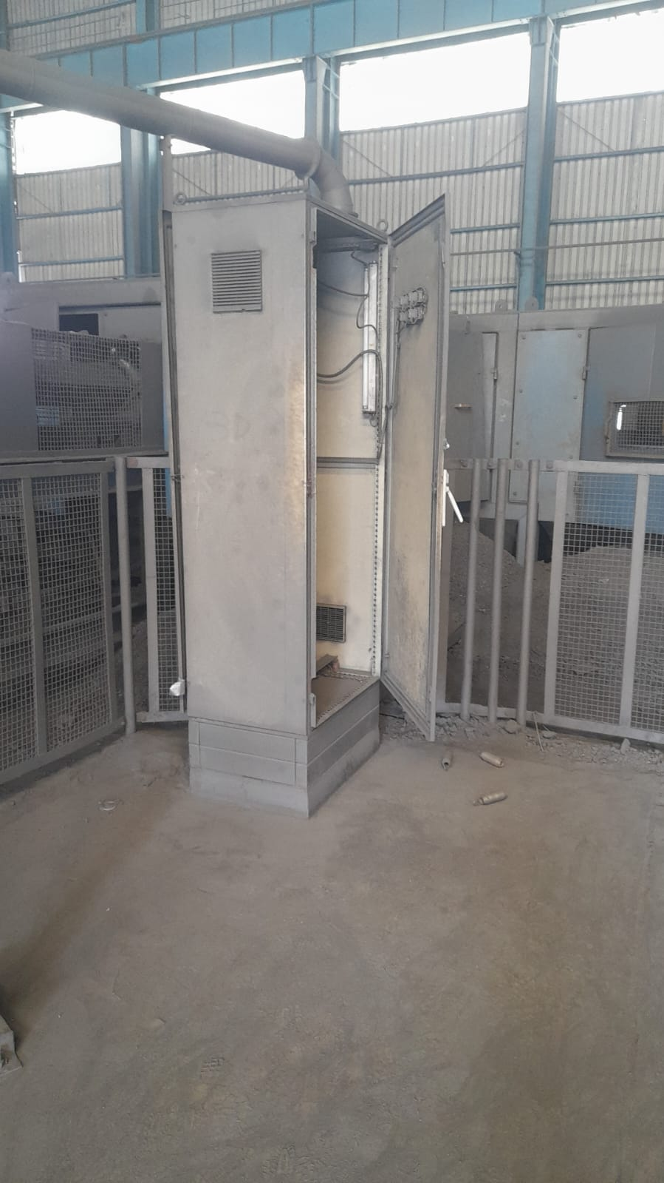
2 | DSL hanger clamp[ found missing | 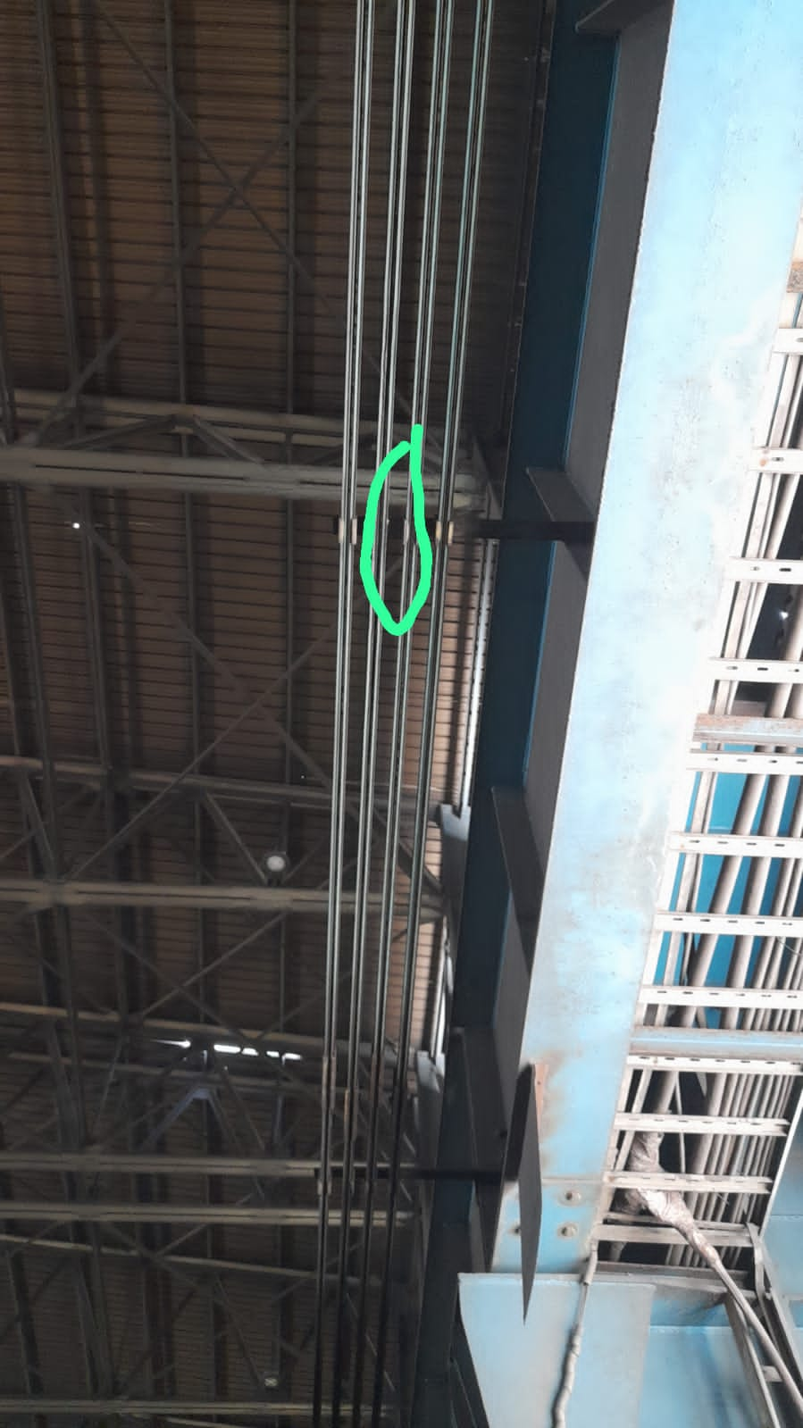
3 | Oil yard maintained in good condition | 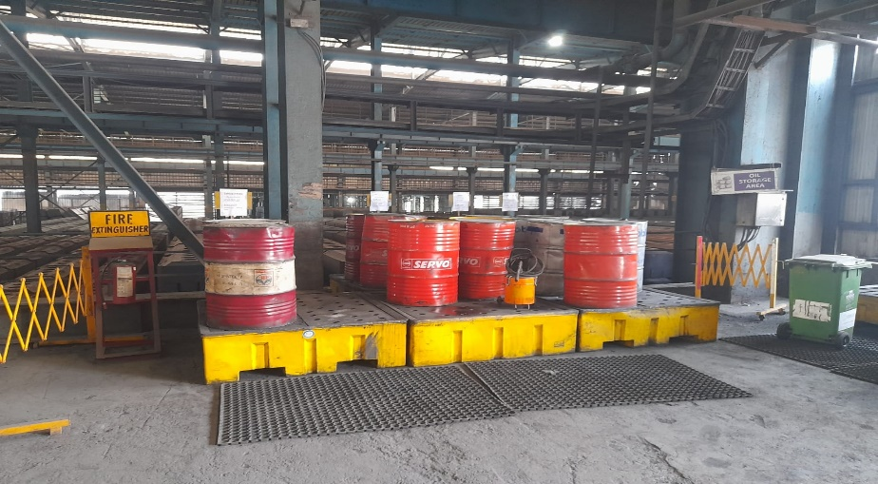
4 | Dust bag not shifted , and dust spread all over area | 